Basics
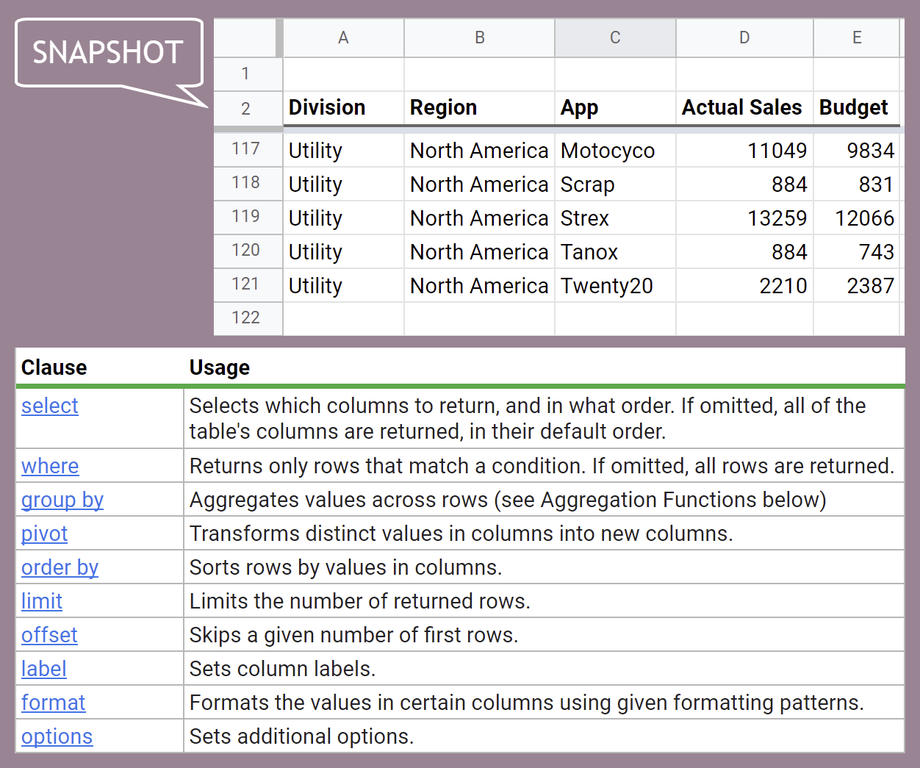
Query Function Basics
Goal: Get App, Region and Actual Sales columns - exclude zero and null values

App | Region | Actual Sales
Arcade | Australia | 15890
Baden | Europe | 15754
Strex | North America | 13259
WenCaL | Asia | 13174
Fightrr | Asia | 13135
Minor Liar | Europe | 13109
Pes | South America | 12771
Twistrr | South America | 12771
Misty Wash | Europe | 12235
Aviatrr | Australia | 11917
Motocyco | North America | 11049
WenCaL | Europe | 10930
Aviatrr | Europe | 9731
Minor Liar | North America | 9723
Arcade | Europe | 9267
Hackrr | South America | 8514
Fightrr | North America | 8042
Pet Feed | Australia | 7612
deRamblr | Asia | 7443
Twistrr | Asia | 7443
deRamblr | North America | 7148
Rehire | Australia | 6734
Baden | North America | 6701
WenCaL | Australia | 6441
Baden | Asia | 6130
Aviatrr | North America | 5808
Halotot | Europe | 5465
Right App | Europe | 5465
Arcade | North America | 5361
Aviatrr | Asia | 5254
Commuta | Europe | 5243
Arcade | South America | 5108
Mirrrr | Australia | 4977
Silvrr | Europe | 4554
Kryptis | Australia | 4469
Pes | North America | 4468
Arcade | Asia | 4378
Jellyfish | Australia | 3972
Flowrrr | Europe | 3643
Halotot | Asia | 3513
Mirrrr | Asia | 3513
Voltage | Asia | 3513
Twistrr | Australia | 3476
Didactic | Europe | 3188
Rehire | Europe | 3188
Hackrr | Australia | 2979
Inkly | Asia | 2928
Pet Feed | Europe | 2732
Accord | Europe | 2622
Five Labs | South America | 2554
Five Labs | Australia | 2483
Kind Ape | Australia | 2342
Hackrr | Europe | 2317
Twistrr | Europe | 2317
Dasring | Europe | 2277
Atmos | North America | 2210
Twenty20 | North America | 2210
Amplefio | Europe | 2185
Twenty20 | Europe | 2185
Five Labs | Europe | 1853
Mirrrr | Europe | 1822
Kryptis | North America | 1787
Commuta | North America | 1768
Kind Ape | Asia | 1757
Atmos | Europe | 1748
Baden | Australia | 1490
Fightrr | Europe | 1390
Jellyfish | North America | 1340
Perino | North America | 1340
Twistrr | North America | 1340
Infic | North America | 1326
Infic | Europe | 1311
Tanox | Europe | 1311
Right App | Australia | 1171
Fightrr | Australia | 993
Perino | Australia | 993
deRamblr | Europe | 927
Jellyfish | Europe | 927
Kryptis | Europe | 927
Blend | Europe | 911
Voltage | Europe | 911
Hackrr | North America | 894
Mosquit | North America | 884
Scrap | North America | 884
Tanox | North America | 884
Sleops | Asia | 878
Mosquit | Europe | 874
Fightrr | South America | 851
deRamblr | Australia | 497
Pes | Australia | 497
Perino | Europe | 463
Pes | Europe | 463
Sleops | Europe | 455
Five Labs | North America | 447
Motocyco | Europe | 437
Scrap | Europe | 437

Aggregation
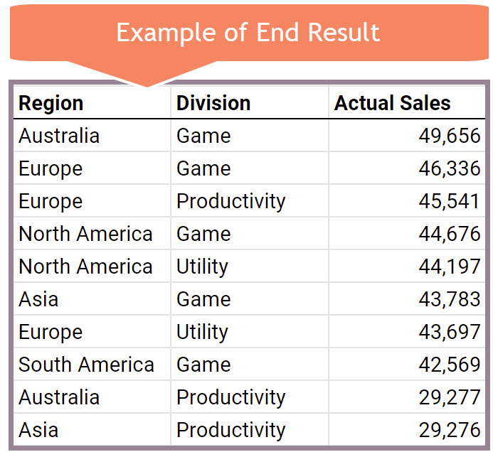
Query Function Aggregation & Calculated Columns |  |  |  | --> | Try THIS: |  |  | --> | Try THIS:
Goal: Get Total Actual, Budget and Difference in Sales by Region. |  |  |  |  | Get Total Actual Sales by REGION & DIVISION. |  |  |  | Get Total Actual Sales by REGION And Division as Column Headers (Pivot Division)
 |  |  |  |  | Sort by Actual Sales in descending order
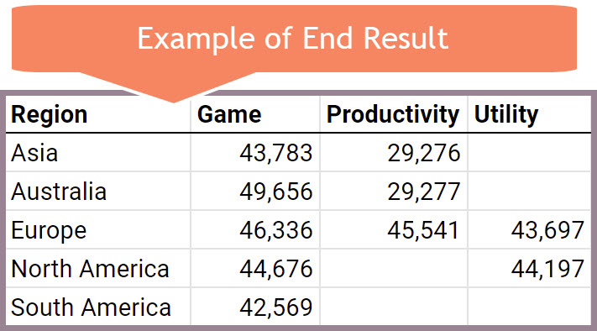
Region | Actual | Budget | Difference
Asia | 73,059 | 74,842 | -1,783 |  |  |  |  |  | Region | Game | Productivity | Utility
Australia | 78,933 | 78,285 | 648 |  | Region | Division | Actual Sales |  | Asia | 43,783 | 29,276
Europe | 135,574 | 137,531 | -1,957 |  | Australia | Game | 49,656 |  | Australia | 49,656 | 29,277
North America | 88,873 | 87,847 | 1,026 |  | Europe | Game | 46,336 |  | Europe | 46,336 | 45,541 | 43,697
South America | 42,569 | 41,846 | 723 |  | Europe | Productivity | 45,541 |  | North America | 44,676 |  | 44,197
 |  |  |  |  | North America | Game | 44,676 |  | South America | 42,569
 |  |  |  |  | North America | Utility | 44,197
 |  |  |  |  | Asia | Game | 43,783
 |  |  |  |  | Europe | Utility | 43,697
 |  |  |  |  | South America | Game | 42,569
 |  |  |  |  | Australia | Productivity | 29,277
 |  |  |  |  | Asia | Productivity | 29,276

Dates
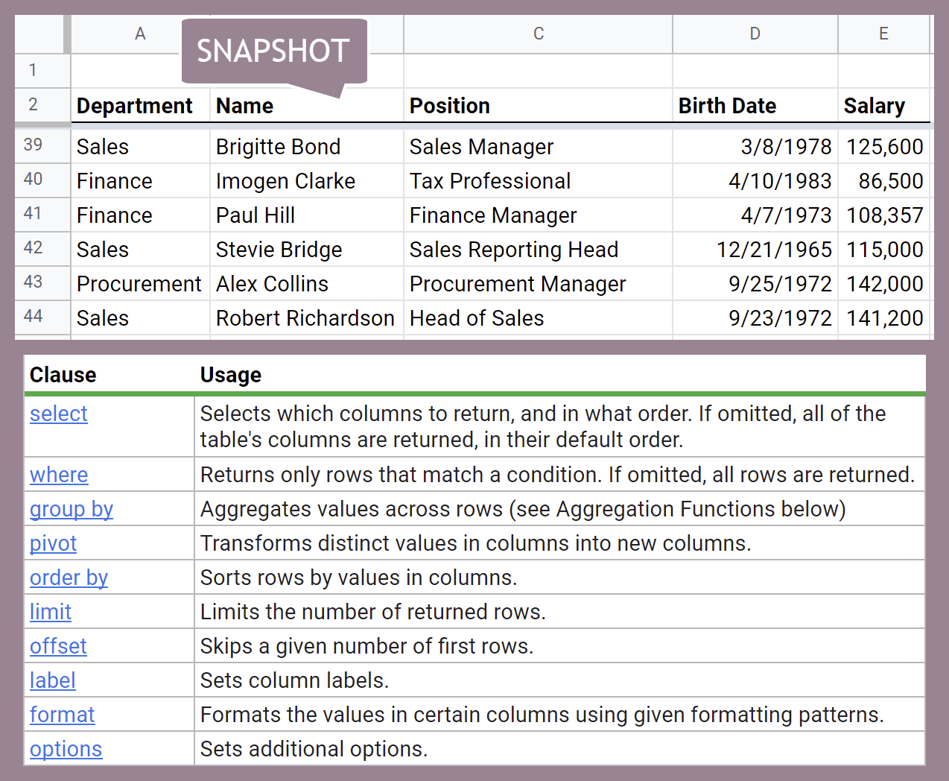
Query Function: Working with Months |  |  | Working with Dates
Raw data = HR sheet |  |  | Raw data = HR sheet
Who has birthday in the selected month? |  | 2 | Which employees have birthdays after 12/31/1989? |  | 12/31/1990

Name | Birth Date |  | Name | Birth Date | Name | Birth Date
Kim West | 2/13/2000 |  | Walter Miller | Aug-96 | Walter Miller | 8/28/1996
Daniel Garrett | 2/23/1998 |  | Alissa Mitchell | Apr-95 | Alissa Mitchell | 4/24/1995
 |  |  | Ann Withers | Dec-00 | Ann Withers | 12/14/2000
 |  |  | Kim West | Feb-00 | Kim West | 2/13/2000
 |  |  | Daniel Garrett | Feb-98 | Daniel Garrett | 2/23/1998
 |  |  | Robert Marquez | Jul-96 | Robert Marquez | 7/30/1996
 |  |  | Vanessa Chavez | Jul-96 | Vanessa Chavez | 7/2/1996
 |  |  | Robert Musser | Dec-95 | Robert Musser | 12/31/1995
 |  |  | Jessica Lowe | Jul-95 | Jessica Lowe | 7/8/1995
 |  |  | Evie Williamson | Jun-95 | Evie Williamson | 6/24/1995
 |  |  | Skye Bennett | May-95 | Skye Bennett | 5/3/1995
 |  |  | Donald Caldwell | Jul-94 | Donald Caldwell | 7/15/1994
 |  |  | Amber Stevens | May-94 | Amber Stevens | 5/14/1994
 |  |  | Matilda Parry | Apr-90 | Charlie Chambers | 1/30/1991
 |  |  | Charlie Chambers | Jan-91
 |  |  | Tommy Dixon | Jan-90

